Shear force and bending moment
X location in m and Net. Force dist.(N/m)
X location in m | Weight distribution | Buoyoancy distribution | Net. Force dist.(N/m) | b-a | Shear force V | Bending Moment M (N.m)
-6 | 771354.66 | 113534.35 | -657820.31 | 2 | -1315640.62 | -1315640.62
-4 | 817025.25 | 181952.64 | -635072.61 | 2 | -2585785.84 | -5217067.08
-2 | 831543.53 | 202707.9 | -628835.63 | 2 | -3843457.1 | -11646310.02
0 | 843462.55 | 219486.3 | -623976.25 | 4 | -6339362.1 | -32011948.42
4 | 899440.24 | 302216.76 | -597223.48 | 4 | -8728256.02 | -62147184.66
8 | 979595.86 | 421939.44 | -557656.42 | 8 | -13189507.38 | -149818238.3
16 | 1245557.26 | 823029.56 | -422527.7 | 8 | -16569728.98 | -268855183.7
24 | 1586031.04 | 1338123.62 | -247907.42 | 8 | -18552988.34 | -409346053
32 | 1929093.02 | 1857177.64 | -71915.38 | 8 | -19128311.38 | -560071251.9
40 | 2221056.48 | 2298050.91 | 76994.43 | 8 | -18512355.94 | -710633921.1
48 | 2451528.31 | 2644841.99 | 193313.68 | 8 | -16965846.5 | -852546730.9
56 | 2611561.46 | 2883861.89 | 272300.43 | 8 | -14787443.06 | -979559889.1
64 | 2701567.43 | 3015740.2 | 314172.77 | 8 | -12274060.9 | -1087805905
72 | 2744753.28 | 3075983.73 | 331230.45 | 8 | -9624217.3 | -1175399018
80 | 2757562.21 | 3089750.56 | 332188.35 | 8 | -6966710.5 | -1241762729
88 | 2761373.2 | 3089750.56 | 328377.36 | 9.5 | -3847125.58 | -1293128450
97.5 | 2765898.76 | 3089750.56 | 323851.8 | 6.5 | -1742088.88 | -1311293397
104 | 2768995.19 | 3089750.56 | 320755.37 | 8 | 823954.08 | -1314965937
112 | 2772806.19 | 3089750.56 | 316944.37 | 8 | 3359509.04 | -1298232084
120 | 2776061.87 | 3088900.93 | 312839.06 | 8 | 5862221.52 | -1261345162
128 | 2764808.69 | 3065852.75 | 301044.06 | 8 | 8270574 | -1204813980
136 | 2726362.72 | 3001199.59 | 274836.87 | 8 | 10469268.96 | -1129854608
144 | 2637146.53 | 2858868 | 221721.47 | 8 | 12243040.72 | -1039005369
152 | 2492622.02 | 2631914.68 | 139292.66 | 8 | 13357382 | -936603678.3
160 | 2285428.74 | 2309078.14 | 23649.4 | 8 | 13546577.2 | -828987841.5
168 | 2027315.88 | 1908334.63 | -118981.25 | 8 | 12594727.2 | -724422623.9
176 | 1721945.17 | 1435286.63 | -286658.54 | 4 | 11448093.04 | -676336983.4
180 | 1560164.6 | 1184846.95 | -375317.65 | 4 | 9946822.44 | -633547152.5
184 | 1396243.04 | 931131.54 | -465111.5 | 4 | 8086376.44 | -597480754.7
188 | 1211778.74 | 645985.76 | -565792.98 | 4 | 5823204.52 | -569661592.8
192 | 1075574.15 | 434677.33 | -640896.82 | 8 | 696029.96 | -543584654.9
200 | 916781.92 | 185894.39 | -730887.53
 |  |  |  | Max SF | 13546577.2
 |  |  |  |  | Max BM | -1314965937
X location in m, b-a and Bending Moment M (N.m)
X location in m and Shear force V

VWBM
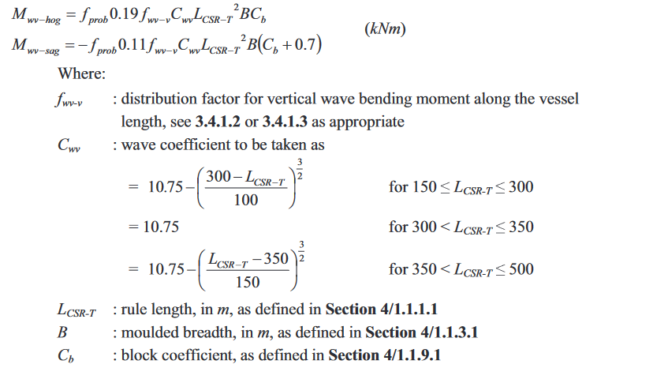
Vessel type | Ro-Ro cargo
Lbp | 195 | m
Breadth | 32.5 | m
Depth | 26.1 | m
Draft | 9.7 | m
Cb | 0.73
Speed | 12.7 | kn
Class | Class NK
Rule length | 189.15 | m

Hogging and Sagging in vertical wave bending moment
F_prob for strength assessment | 1
F_prob for fatigue | 0.5
Fwv_v | 1
Cwv | 9.582912154
Lcsr_t | 189.15
B | 32.5
Cb | 0.73
Mwv hog for strength assessment | 1545503.598 | Knm

Mwv hog for fatigue | 772751.7988

Mwv sag for strength assessment | -1752759.307
Mwv sag for fatigue | -876379.6536

Maximum vertical wave bending moment | 1752759.307 | Knm
Maximum still water bending moment | 1314965937 | Knm

Scantlings
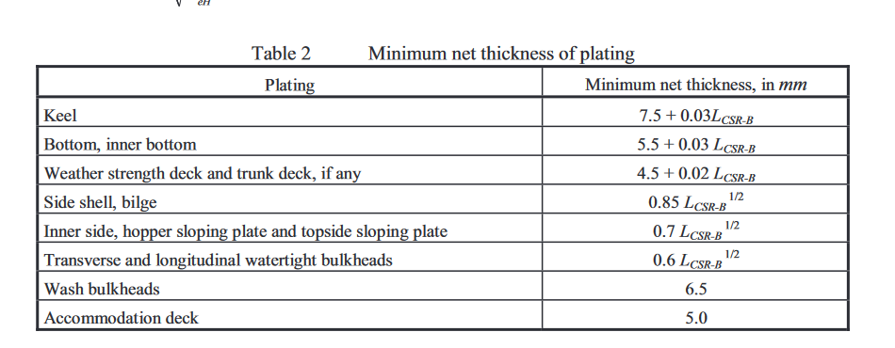
Vessel type | Ro-Ro cargo
Lbp | 195 | m
Breadth | 32.5 | m
Depth | 26.1 | m
Draft | 9.7 | m
Cb | 0.73
Speed | 12.7 | kn
Class | Class NK
Rule length | 189.15 | m

Keel | 13.1745 | mm
Bottom, inner bottom | 11.1745 | mm
Weather strength deck | 8.283 | mm
Side shell, bilge | 11.69020423 | mm
Inner side, hopper sloping plate and topside sloping plate | 9.627227015 | mm
 |  | mm
Transverse and longitudinal watertight bulkheads | 8.25190887 | mm
Wash bulkheads | 6.5 | mm
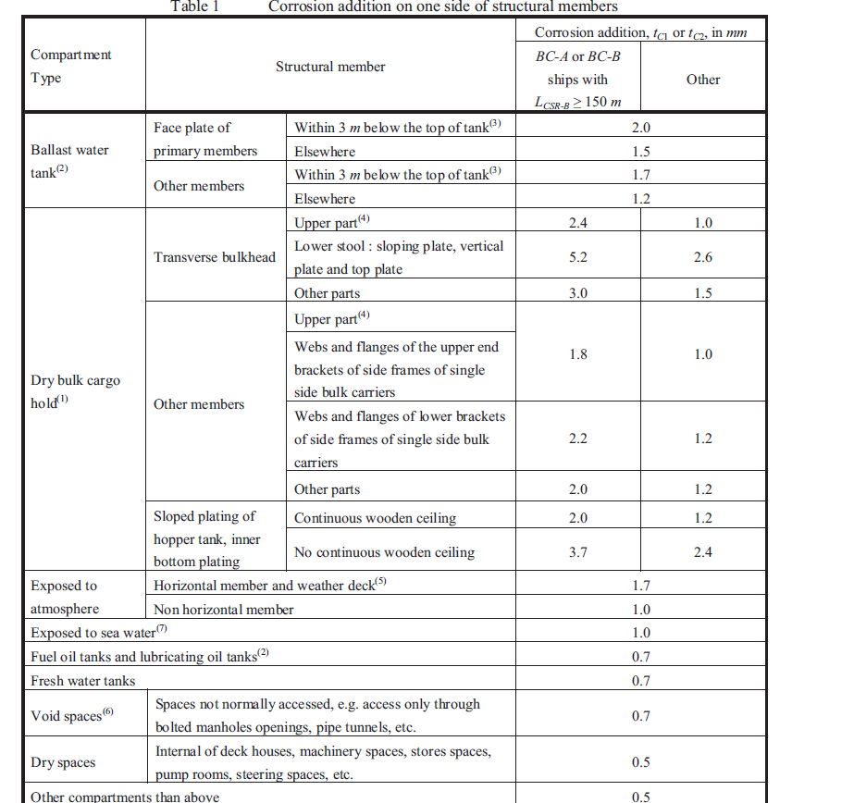
Accomodation deck | 5 | mm

Corrosion addition | Tc | Reserve thickness | Minimum thickness | Total Thickness | Rounded values
Keel | 1 | 0.5 | 13.1745 | 14.6745 | 15
Bottom, inner bottom | 1 | 0.5 | 11.1745 | 12.6745 | 13
Weather strength deck | 1.7 | 0.5 | 8.283 | 10.483 | 11
Side shell, bilge | 1 | 0.5 | 11.690204233 | 13.19020423 | 14
Inner side, hopper sloping plate and topside sloping plate | 3.7 | 0.5 | 9.6272270151 | 13.82722702 | 14

Transverse and longitudinal watertight bulkheads | 5.2 | 0.5 | 8.2519088701 | 13.95190887 | 14
Wash bulkheads | 1.5 | 0.5 | 6.5 | 8.5 | 9
Accomodation deck | 0.5 | 0.5 | 5 | 6 | 6
Side girders | 0.5 | 0.5 | 17 | 18 | 18
Centre girders | 0.5 | 0.5 | 14 | 15 | 15

Height of double bottom | 1.625
Width of the keel | 1.74575
Shear strake
Minimum breadth: | 1745.75 | mm

Spacing | Distance | Number of members
Stiffeners | 0.9m apart | 36

